Table 1

Selected Acquisition Report (SAR)
RCS: DD-A&T(Q&A)823-243

Chemical Demilitarization-Assembled Chemical Weapons Alternatives (Chem Demil-ACWA)
As of FY 2017 President's Budget
Defense Acquisition Management Information Retrieval
(DAMIR)

Table 10
Schedule
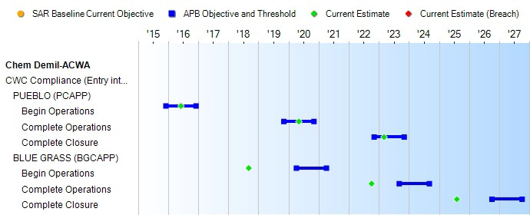
(Ch-1)
(Ch-1)
(Ch-1)
Schedule Events
Events | SAR Baseline Development Estimate | Current APB Development Objective/Threshold |  | Current Estimate
CWC Compliance (Entry into Force April 29, 1997)
PUEBLO (PCAPP)
Begin Operations | Dec 2015 | Dec 2015 | Dec 2016 | Jun 2016
Complete Operations | Nov 2019 | Nov 2019 | Nov 2020 | May 2020
Complete Closure | Nov 2022 | Nov 2022 | Nov 2023 | Mar 2023
BLUE GRASS (BGCAPP)
Begin Operations | Apr 2020 | Apr 2020 | Apr 2021 | Sep 2018
Complete Operations | Sep 2023 | Sep 2023 | Sep 2024 | Oct 2022
Complete Closure | Oct 2026 | Oct 2026 | Oct 2027 | Aug 2025
(Ch-2)
(Ch-2)
(Ch-2)
Change Explanations
(Ch-1) The current estimate for PCAPP Begin Operations, Complete Operations, and Complete Closure changed from Jan 2016, Mar 2020, and Dec 2022, to Jun 2016, May 2020, and Mar 2023 respectively due to emergent work delaying the start of Operations to supplement the fireproofing in the Agent Processing Building (APB), replace sample line of the Agent Monitoring System, and fix sealing of the APB and Enhance Reconfiguration Building to meet Heating, Ventilation, and Air Condition (HVAC) requirements.
(Ch-2) The current estimate for BGCAPP Begin Operations, Complete Operations, and Complete Closure changed from Oct 2018, Aug 2022, and Feb 2025, to Sep 2018, Oct 2022, and Aug 2025 respectively due to revisions to the risk register, and modification to the operational processing strategy.
Notes

Table 24
Unit Cost History
Item |  |  |  |  | Date |  |  | BY 2011 $M |  |  |  |  | TY $M
 |  |  |  |  |  |  |  | PAUC |  | APUC |  |  | PAUC |  |  | APUC

Original APB |  |  | Apr 2003 |  |  |  |  | 1.434 |  |  | N/A |  |  | 1.355 |  |  | N/A
APB as of January 2006 |  |  | Apr 2003 |  |  |  |  | 1.434 |  |  | N/A |  |  | 1.355 |  |  | N/A
Revised Original APB |  |  | Mar 2012 |  |  |  |  | 3.183 |  |  | N/A |  |  | 3.386 |  |  | N/A
Prior APB |  |  | Apr 2007 |  |  |  |  | 2.293 |  |  | N/A |  |  | 2.540 |  |  | N/A
Current APB |  |  | Mar 2012 |  |  |  |  | 3.183 |  |  | N/A |  |  | 3.386 |  |  | N/A
Prior Annual SAR |  |  | Dec 2014 |  |  |  |  | 3.267 |  |  | N/A |  |  | 3.504 |  |  | N/A
Current Estimate |  |  | Dec 2015 |  |  |  |  | 3.277 |  |  | N/A |  |  | 3.504 |  |  | N/A
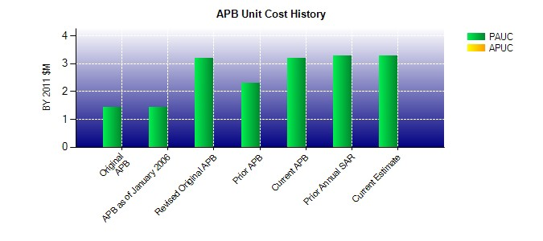
SAR Unit Cost History
Current SAR Baseline to Current Estimate (TY $M)
Initial PAUC Development Estimate | Changes |  |  |  |  |  |  |  |  |  |  |  |  |  | PAUC Current Estimate
 | Econ | Qty |  | Sch |  | Eng | Est |  | Oth | Spt |  | Total
3.386 -0.009 0.000 0.108 0.000 0.019 0.000 0.000 0.118 3.504

